TN
TN Checkbox Locatiion | Filing Options Tab > "Select to balance Schedule E Only" Box |  | do I need to check if the box is checked? Do I have to click on it?
Detail Tab Location for balancing | Near the far right side of the detail tab. Falls in the Schedule E Section. Highlighted in Screenshot |  | So, for this state, I need to check both Detail and Filing Options tabs? | Click on the top-left. Then press Right arrow 102 times

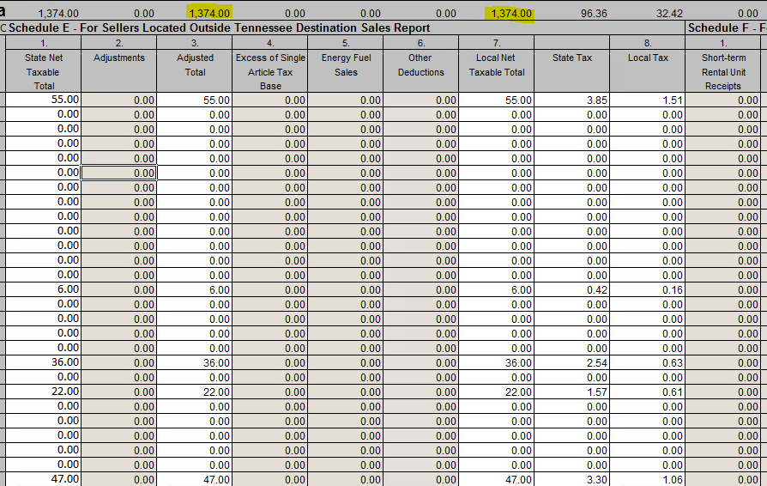

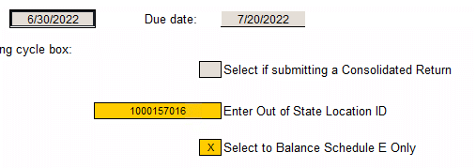

 |  | It is ok

 |  | Just to check the checkbox is enough for the bot

LA
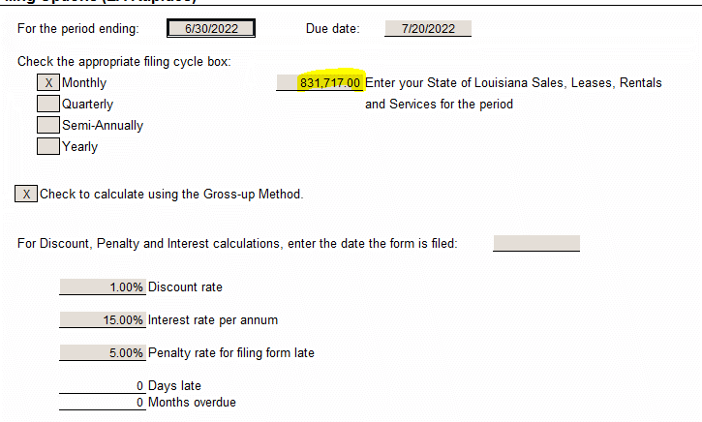
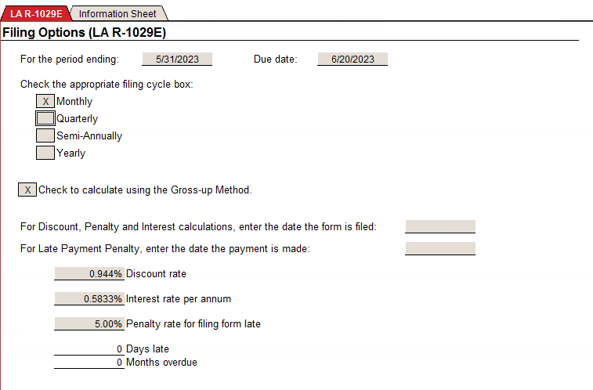
Gross Sales Location On State Form | Page 1 > Line 1 | If the bot click on the text "Gross sales of tangible…", then you can copy the value in the clipboard
LA Local Form Gross Sales Check Location | Filing Options > "Enter your State of Louisianna…" Textbox | I need to compare both values if they match

 |  |  | I had this case, where the text "Enter your State of Lousiana" does not appear. What do I need to do?
 |  |  | In this case, it is ok. Passed

WA
Unallocated Amounts | Detail Tab > Scroll Rught and the numbers are on the Unallocated Amount Row (4 total) | What do I have to check here? | Failure - If some of the values are different to 0
 |  | If both Taxable Sales and Taxable Use are the same?

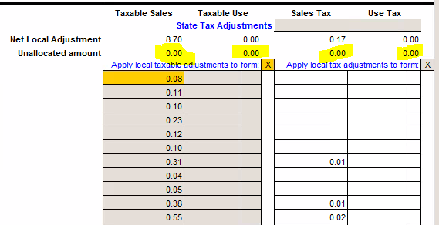
 |  | Here is other example

GA
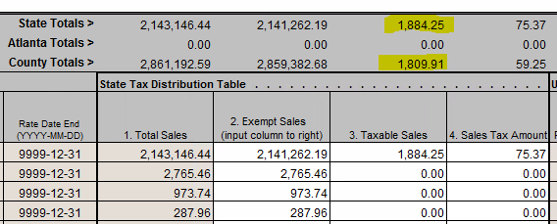
State vs County amts | On the detail tab in the top bar > State Totals should be greater than or equal to County Total |  | OK

 |  | State Totals >= County Totals

OK
Filing Type Location: | On the right side "Return Status" sidebar |  | Click (TopLeft and add offset) and get Text
Precreation Check Location | In the leftside "Returns Menu" sidebar, scroll to the bottom to the "Electronic Returns" section

 | I could find both buttons but I don't know what I need to check or compare.

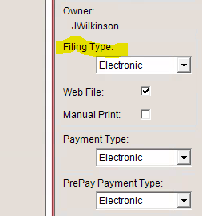
 |  |  |  |  | 1. Check FilingType = Electronic
 |  | Check if Filing Type is eelectronic |  |  | 2. Go to Pre-Creation Check - Check if it has no errors

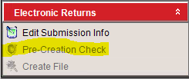

 |  |  |  | Check if it has no errors

CA
Balance Tax Check | Balance Tab > Balanced Difference Column
Line 12 vs Sch B (B5) | Line 12 Page 1 & CA CDTFA-531 > Bottom of page 1 Line B5

 |  |  |  |  | Form CA CDTFA-401 A

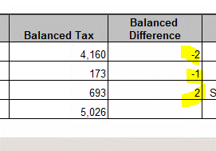

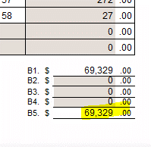
 |  | Three values needs to be equal to 0

 |  |  | Form CA CDTFA 531
 |  |  | At the bottom
 |  |  | Compare both form values. Must be equal?

 |  |  | Both needs to be equal


What do I have to compare in the Balanced Difference column?
 |  |  |  | 1. Go to Balance page - Ir a columna Balanced Difference - Check if the 3 row values are equals to 0
 |  |  |  | 2. Go to Form CA CDTFA-401 A - Go to page 1 - Get value line 12 |  | Output 1
 |  |  |  | 3. Go to Form CA CDTFA 531 - Page 1 - Get value in row B5. |  | Output 2
 |  |  |  | 4. Compare value step 2 vs value step 3. |  | Output 1 = Output 2

